Bug Report
Defect Report |  | Defect Report |  | Defect Report | Defect Report

Bug ID | BUG_001 | Bug ID | BUG_002
Title | PIN/biometric not available | Title | User can't reset the forgotten password
Module | Settings - App lock | Module | Sign in - Forgot password?
Environment | HisabDo app | Environment | HisabDo app
Steps to Reproduce | 1- From settings - security 2- Set a PIN/register biometric | Steps to Reproduce | 1-On sign in screen Tap 'Forgot Password' 2- Follow the reset flow
Expected Result | Lock is enabled successfully | Expected Result | User can securely reset the passwordwithout losing app data
Actual Result | PIN/biometric not available | Actual Result | The user can't reset the password "The reset link password can't be reached"
Severity | High | Severity | High
Priority | High | Priority | High
Screenshot | 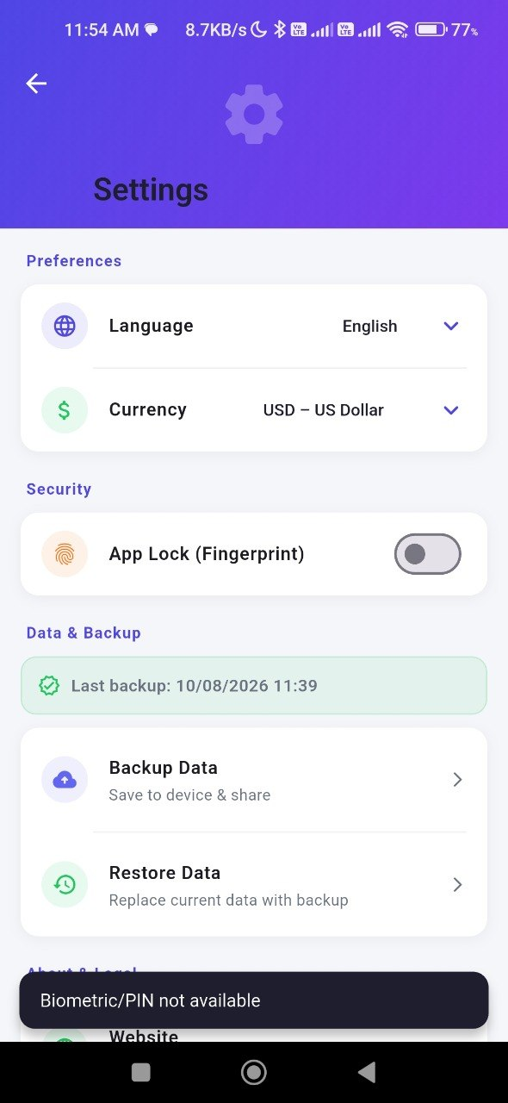 | Screenshot | 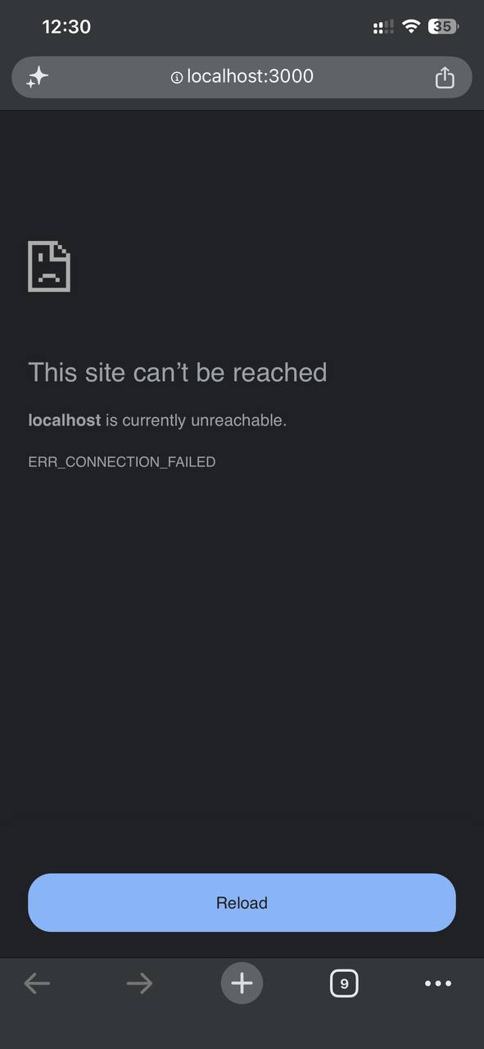
Status | Open | Status | Open

